Sheet1
 |  |  |  |  | SIM-KS8 ODASI KLİMA TÜKETİM RAPORU (Kwh)
 |  |  |  |  | 7

Data Warnings

 |  | Message |  |  |  |  |  |  | Date Added
 |  | Data was not available for some of the selected source and measurement combinations. |  |  |  |  |  |  | 11/1/2023 12:20:43 AM
 |  | One or more gaps were detected in data used for this report. |  |  |  |  |  |  | 11/1/2023 12:20:38 AM

 |  | Usage Summary

 |  | Source | Real Energy (kWh)
 |  |  | January 2023 |  |  | February 2023 |  | March 2022 |  | March 2023 | April 2022 | April 2023 | May 2022 | May 2023 | June 2022 | June 2023 | July 2022 | July 2023 | August 2022 | August 2023 | September 2022 | September 2023 | October 2022 | October 2023 | November 2022 | December 2022
 |  | SIM-KS8 KLİMA | 8,353.31 |  |  | 7,550.22 |  | 7,912.38 |  | 8,361.75 | 8,065.62 | 9,071.78 | 8,351.44 | 9,259.00 | 8,089.05 | 8,787.00 | 8,291.46 | 9,174.00 | 8,363.62 | 9,243.00 | 8,092.80 | 8,838.00 | 8,365.01 | 8,652.00 | 8,090.93 | 8,363.62
 |  | Total | 8,353.31 |  |  | 7,550.22 |  | 7,912.38 |  | 8,361.75 | 8,065.62 | 9,071.78 | 8,351.44 | 9,259.00 | 8,089.05 | 8,787.00 | 8,291.46 | 9,174.00 | 8,363.62 | 9,243.00 | 8,092.80 | 8,838.00 | 8,365.01 | 8,652.00 | 8,090.93 | 8,363.62

 |  | Relative Usage Column Chart

 |  | 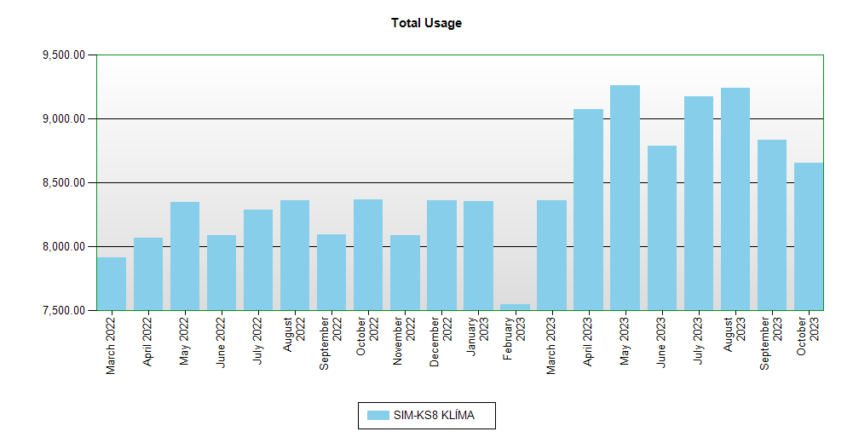

 | Interval Usage Data

 |  | Period : January 2023 Interval : Day of Month |  | SIM-KS8 KLİMA |  |  | Interval Total
 |  | 1 |  | 269.88 |  |  | 269.88
 |  | 2 |  | 269.88 |  |  | 269.88
 |  | 3 |  | 269.88 |  |  | 269.88
 |  | 4 |  | 269.88 |  |  | 269.88
 |  | 5 |  | 269.88 |  |  | 269.88
 |  | 6 |  | 269.88 |  |  | 269.88
 |  | 7 |  | 269.88 |  |  | 269.88
 |  | 8 |  | 269.88 |  |  | 269.88
 |  | 9 |  | 269.88 |  |  | 269.88
 |  | 10 |  | 269.88 |  |  | 269.88
 |  | 11 |  | 269.88 |  |  | 269.88
 |  | 12 |  | 269.88 |  |  | 269.88
 |  | 13 |  | 268.01 |  |  | 268.01
 |  | 14 |  | 268.95 |  |  | 268.95
 |  | 15 |  | 267.07 |  |  | 267.07
 |  | 16 |  | 269.88 |  |  | 269.88
 |  | 17 |  | 269.88 |  |  | 269.88
 |  | 18 |  | 269.88 |  |  | 269.88
 |  | 19 |  | 268.95 |  |  | 268.95
 |  | 20 |  | 268.95 |  |  | 268.95
 |  | 21 |  | 269.88 |  |  | 269.88
 |  | 22 |  | 269.88 |  |  | 269.88
 |  | 23 |  | 269.88 |  |  | 269.88
 |  | 24 |  | 269.88 |  |  | 269.88
 |  | 25 |  | 269.88 |  |  | 269.88
 |  | 26 |  | 268.01 |  |  | 268.01
 |  | 27 |  | 269.88 |  |  | 269.88
 |  | 28 |  | 268.95 |  |  | 268.95
 |  | 29 |  | 267.07 |  |  | 267.07
 |  | 30 |  | 269.88 |  |  | 269.88
 |  | 31 |  | 269.88 |  |  | 269.88
 |  | Period Totals |  | 8,353.31

